Sheet1
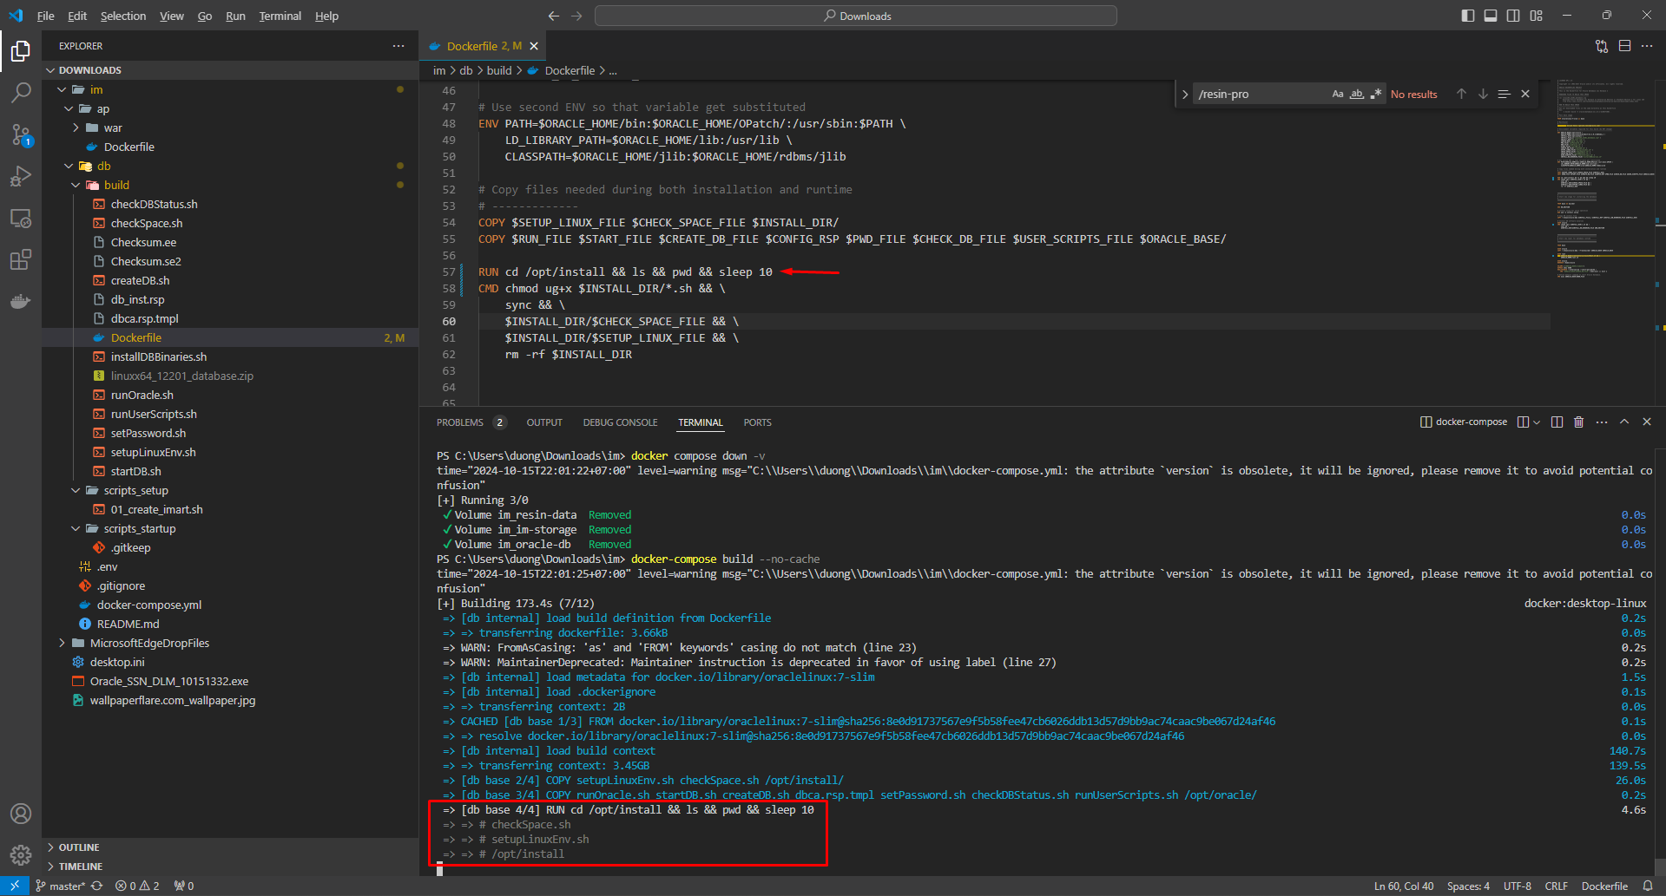
u r trying to run the ls command in a Dockerfile, but u r not seeing the output when u run docker compose up
to see the output u can use the below command, u can use the RUN instruction and then build manually
 | RUN cd /opt/install && ls && pwd && sleep 10
 | docker-compose build --no-cache

